M365 Revenue
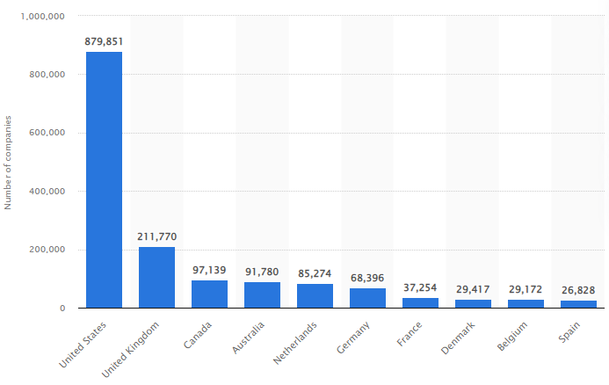
Effects in NZD of M365 price increase based on company usage in top 10 countries
 |  |  | Number of companies using Microsoft 365 in top 10 countries
Country | #companies
USA | 879,851
UK | 211,770
Canada | 97,139
Australia | 91,780
Netherlands | 85,274
Germany | 68,396
France | 37,254
Denmark | 29,417
Belgium | 29,172
Spain | 26,828
Total companies using MS 365 (top 10 countries) | 1,556,881

Average # of licensed users per company | 18 | users
Total licensed users | 28,023,858 | users

If they all have a Business Basic plan at $7.60 NZD. | $7.60 | NZD
Current monthly revenue: | $212,981,321 | NZD

Business Basic plan after price increase | $9.10 | NZD
New monthly revenue: | $255,017,108 | NZD

Additional monthly after price increase | $42,035,787 | NZD

Additional yearly after price increase (0.5 billion) | $504,429,444 | NZD

